Holiday items
Your Task:
In the table to the left I want you to enter items that you might need to buy before you go on your Summer vacation.
For each item you need to enter:
# The item name
# Price of each item
# Number of each item that you may need (e.g. 3 bottles of sun block).
You then need to used formulae to calculate the total cost of each item.
You then should use functions in the empty grey cells to calculate the:
# Total cost of all items
# The item which has the highest total cost
# The item which has the lowest total cost
# The average total cost of all items.

Item | Item Cost | Number Needed | Total
The Sun | £696,969.00 | 1 | £696,969.00
Sand (in kg) | £5.00 | 1000 | £5,000.00
Planet | £999,999.00 | 1 | £999,999.00
Plane | £10,000.00 | 1 | £10,000.00
Fuel (In litres) | £2.00 | 69 | £138.00
Oxygen | £30.00 | 300 | £9,000.00
Terraformer | £999,991.00 | 1 | £999,991.00
people | £100.00 | 690 | £69,000.00
slaves | £50.00 | 4100 | £205,000.00
cheese (in slices) | £1.50 | 6900 | £10,350.00
 |  | Total | £3,005,447.00
 |  | Highest Cost | £999,999.00
Extension:
Format the spreadsheet suitably E.g. merge cells, currency, colour, bold, suitable title etc.
You should also add a suitable image to the document.
 |  | Lowest Cost | £138.00
 |  | Average Cost | £273,222.45

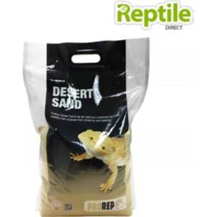
 |  |  |  | sand

